Fertilizer
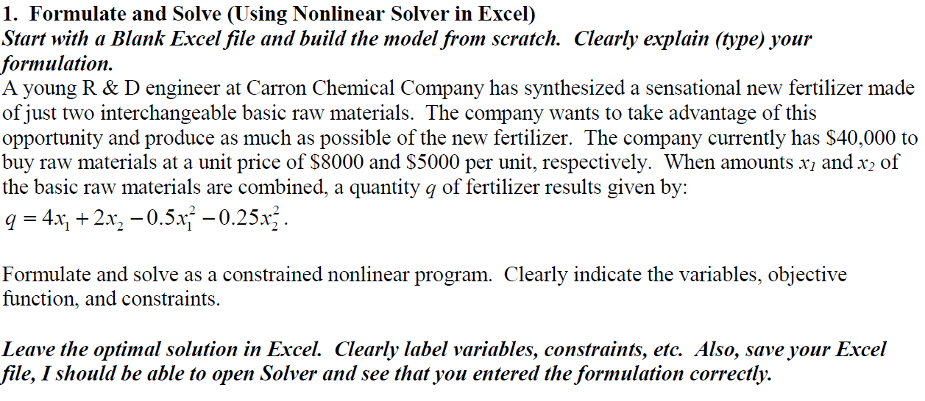

 | x1 | x2
Max | 3.16 | 2.95 |  | [Yellow are the variables.]
Obj. Coef. x | 4 | 2 | 18.53
Obj. Coef. x^2 | -0.5 | -0.25 | (7.16)
Obj. Coef.Total |  |  | 11.37 | [Green is objective.]

Cost Coef. | $8,000 | $5,000 | $40,000 | <= | $40,000

